Sheet1 (2)
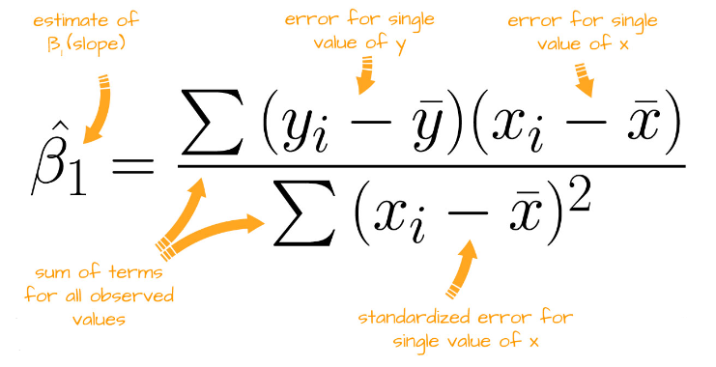
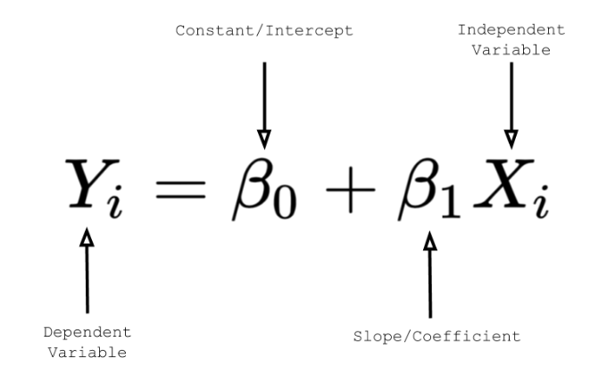

advertisement X | Sales Y
90 | 1000
120 | 1300
150 | 1800
100 | 1200
130 | 1380
200 | 2330

